2
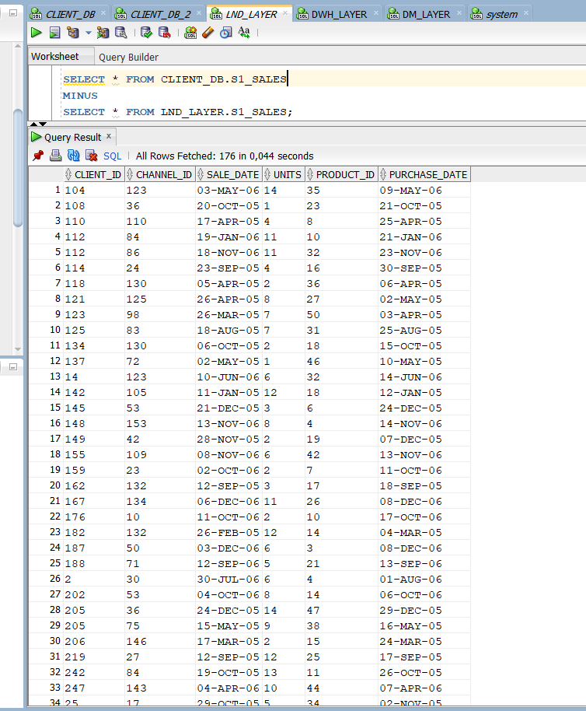
176 missed rows in LND_LAYER.S1_SALES
Details
Type: | Bug
Resolution: | Unresolved
Component/s: | None
Labels: | None

Test Rail Test Case: | https://dq2022lab.testrail.io/index.php?/cases/view/2189
Priority: | Major
Severity: | Major

Description: | There are 176 rows in CLIENT_DB.S1_SALES table not presented in LND_LAYER.S1_SALES. Data loaded uncorrectly
 | STR:
 | 1. Connect to LND_LAYER user. User should be able to query CLIENT_DB_1 user. (LND_LAYER already have such permissions)
 | 2. Execute following query:
 | 1. SELECT * FROM LND_LAYER.S1_SALES MINUS SELECT * FROM CLIENT_DB.S1_SALES;
 | 2. SELECT * FROM CLIENT_DB.S1_SALES MINUS SELECT * FROM LND_LAYER.S1_SALES;
 | Expected Result: Both scripts return 0 rows.
 | Actual Result: Script from 2 STR returns 176 rows (in attachment)
Attachments
Assignee: | Hanna Yaruk
Reporter: | Hanna Yaruk

Dates
Created:
26/Apr/22 1:30 PM
Updated:
26/Apr/22 1:35 PM
Collaborators
Agile
View on Board

4a
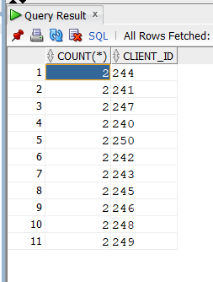
2 | 244
2 | 241
2 | 247
2 | 240
2 | 250
2 | 242
2 | 243
2 | 245
2 | 246
2 | 248
2 | 249

5a
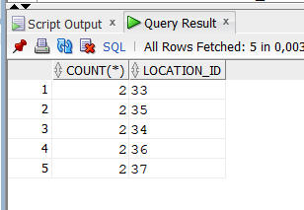
2 | 33
2 | 35
2 | 34
2 | 36
2 | 37

6
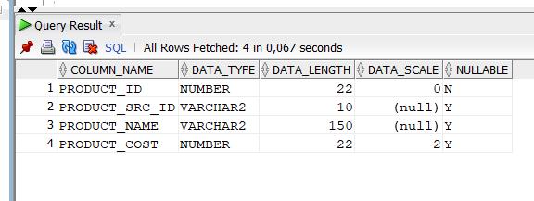
Incorrect data type in DWH_PRODUCTS
Details
Type: | Bug
Resolution: | Unresolved
Component/s: | None
Labels: | None

Test Rail Test Case: | https://dq2022lab.testrail.io/index.php?/cases/view/2349
Priority: | Trivial
Severity: | Critical

Description: | Column PRODUCT_COST of the table DWH_PRODUCTS has to be (18,2) data_scale - incorrect data scale
 | STR:
 | 1. Connect to DWH_LAYER user. User should be able to query LND user. (DWH_LAYER already have such permissions)
 | 2. Execute following query:
 | SELECT COLUMN_NAME, DATA_TYPE, DATA_LENGTH, DATA_SCALE, NULLABLE FROM USER_TAB_COLUMNS WHERE TABLE_NAME = 'DWH_PRODUCTS';
 | Expected Result:
 | COLUMN_NAME, DATA_TYPE, DATA_LENGTH, NULLABLE PRODUCT_ID, INTEGER, , N PRODUCT_SRC_ID, VARCHAR, 10, Y PRODUCT_NAME, VARCHAR, 150, Y PRODUCT_COST, NUMBER, 18,2, Y
 | Actual Result:
 | COLUMN_NAME, DATA_TYPE, DATA_LENGTH, NULLABLE PRODUCT_ID, INTEGER, , N PRODUCT_SRC_ID, VARCHAR, 10, Y PRODUCT_NAME, VARCHAR, 150, Y PRODUCT_COST, NUMBER, 22,2, Y
Attachments
Assignee: | Hanna Yaruk
Reporter: | Hanna Yaruk

Dates
Created:
26/Apr/22 1:30 PM
Updated:
26/Apr/22 1:35 PM
Collaborators
Agile
View on Board

7
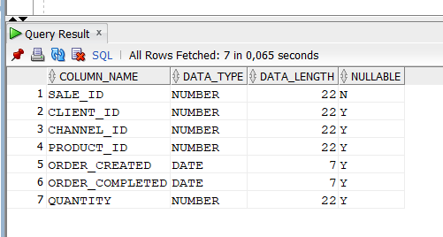
Incorrect metadata in DWH_SALES
Details
Type: | Bug
Resolution: | Unresolved
Component/s: | None
Labels: | None

Test Rail Test Case: | https://dq2022lab.testrail.io/index.php?/cases/view/2359
Priority: | Trivial
Severity: | Critical

Description: | Columns CLIENT_ID, CHANNEL_ID, PRODUCT_ID have to be not nullable. Incorrect metadata
 | STR:
 | 1. Connect to DWH_LAYER user. User should be able to query LND user. (DWH_LAYER already have such permissions)
 | 2. Execute following query:
 | SELECT COLUMN_NAME, DATA_TYPE, DATA_LENGTH, DATA_SCALE, NULLABLE FROM USER_TAB_COLUMNS WHERE TABLE_NAME = 'DWH_PRODUCTS';
 | Expected Result:
 | COLUMN_NAME, DATA_TYPE, DATA_LENGTH, NULLABLE SALE_ID, INTEGER, , N CLIENT_ID, INTEGER, , N CHANNEL_ID, INTEGER, , N PRODUCT_ID, INTEGER, , N ORDER_CREATED, DATE, , Y ORDER_COMPLETED, DATE, , Y QUANTITY, INTEGER, , Y
 | Actual Result:
 | COLUMN_NAME, DATA_TYPE, DATA_LENGTH, NULLABLE SALE_ID, INTEGER, , N CLIENT_ID, INTEGER, , Y CHANNEL_ID, INTEGER, , Y PRODUCT_ID, INTEGER, , Y ORDER_CREATED, DATE, , Y ORDER_COMPLETED, DATE, , Y QUANTITY, INTEGER, , Y
Attachments
Assignee: | Hanna Yaruk
Reporter: | Hanna Yaruk

Dates
Created:
26/Apr/22 1:30 PM
Updated:
26/Apr/22 1:35 PM
Collaborators
Agile
View on Board

8
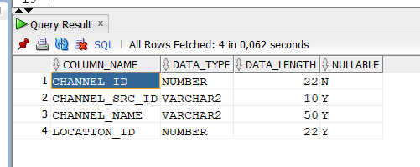
Incorrect metadata in DWH_CHANNELS
Details
Type: | Bug
Resolution: | Unresolved
Component/s: | None
Labels: | None

Test Rail Test Case: | https://dq2022lab.testrail.io/index.php?/cases/view/2391
Priority: | Trivial
Severity: | Critical

Description: | Column CHANNEL_NAME have to have data_length 30, not 50. LOCATION_ID must not be nullable. Incorrect metadata
 | STR:
 | 1. Connect to DWH_LAYER user. User should be able to query LND user. (DWH_LAYER already have such permissions)
 | 2. Execute following query:
 | SELECT COLUMN_NAME, DATA_TYPE, DATA_LENGTH, NULLABLE FROM USER_TAB_COLUMNS WHERE TABLE_NAME = 'DWH_CHANNELS';
 | Expected Result:
 | COLUMN_NAME, DATA_TYPE, DATA_LENGTH, NULLABLE CHANNEL_ID, INTEGER, , N CHANNEL_SRC_ID, VARCHAR, 10, Y CHANNEL_NAME, VARCHAR, 30, Y LOCATION_ID, INTEGER, , N
 | Actual Result:
 | COLUMN_NAME, DATA_TYPE, DATA_LENGTH, NULLABLE CHANNEL_ID, INTEGER, , N CHANNEL_SRC_ID, VARCHAR, 10, Y CHANNEL_NAME, VARCHAR, 50, Y LOCATION_ID, INTEGER, , Y
Attachments
Assignee: | Hanna Yaruk
Reporter: | Hanna Yaruk

Dates
Created:
26/Apr/22 1:30 PM
Updated:
26/Apr/22 1:35 PM
Collaborators
Agile
View on Board

9
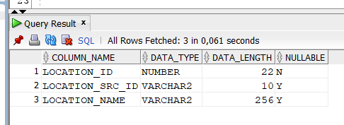
Incorrect metadata in DWH_LOCATIONS
Details
Type: | Bug
Resolution: | Unresolved
Component/s: | None
Labels: | None

Test Rail Test Case: | https://dq2022lab.testrail.io/index.php?/cases/view/2399
Priority: | Trivial
Severity: | Critical

Description: | Column LOCATION_NAME have to have data_length 100, not 256. Incorrect metadata
 | STR:
 | 1. Connect to DWH_LAYER user. User should be able to query LND user. (DWH_LAYER already have such permissions)
 | 2. Execute following query:
 | SELECT COLUMN_NAME, DATA_TYPE, DATA_LENGTH, NULLABLE FROM USER_TAB_COLUMNS WHERE TABLE_NAME = 'DWH_LOCATIONS';
 | Expected Result:
 | COLUMN_NAME, DATA_TYPE, DATA_LENGTH, NULLABLE LOCATION_ID, INTEGER, , N LOCATION_SRC_ID, VARCHAR, 10, Y LOCATION_NAME, VARCHAR, 100, Y
 | Actual Result:
 | COLUMN_NAME, DATA_TYPE, DATA_LENGTH, NULLABLE LOCATION_ID, INTEGER, , N LOCATION_SRC_ID, VARCHAR, 10, Y LOCATION_NAME, VARCHAR, 256, Y
Attachments
Assignee: | Hanna Yaruk
Reporter: | Hanna Yaruk

Dates
Created:
26/Apr/22 1:30 PM
Updated:
26/Apr/22 1:35 PM
Collaborators
Agile
View on Board

14
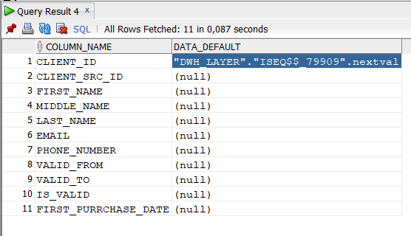
Incorrect default data in table DWH_CLIENTS
Details
Type: | Bug
Resolution: | Unresolved
Component/s: | None
Labels: | None

Test Rail Test Case: | https://dq2022lab.testrail.io/index.php?/cases/view/2679
Priority: | Trivial
Severity: | Critical

Description: | Columns MIDDLE_NAME, VALID_FROM, VALID_TO must have default values. Incorrect default data
 | STR:
 | 1. Connect to DWH_LAYER user. User should be able to query LND_LAYER user. (DWH_LAYER already have such permissions)
 | 2. Execute following query:
 | SELECT COLUMN_NAME, DATA_DEFAULT FROM ALL_TAB_COLS WHERE TABLE_NAME = 'DWH_CLIENTS';
 | Expected Result:
 | COLUMN_NAME, DATA_DEFAULT CLIENT_ID, generated automatically CLIENT_SRC_ID, NULL FIRST_NAME, NULL MIDDLE_NAME, 'N/A' LAST_NAME, NULL EMAIL, NULL PHONE_NUMBER, NULL VALID_FROM, '01.01.2100' VALID_TO, '01.01.2100' IS_VALID, NULL FIRST_PURCHASE_DATE, NULL
 | Actual Result:
 | COLUMN_NAME, DATA_DEFAULT CLIENT_ID, "DWH_LAYER"."ISEQ$$_79909".nextval CLIENT_SRC_ID, NULL FIRST_NAME, NULL MIDDLE_NAME, NULL LAST_NAME, NULL EMAIL, NULL PHONE_NUMBER, NULL VALID_FROM, NULL VALID_TO, NULL IS_VALID, NULL FIRST_PURCHASE_DATE, NULL
Attachments
Assignee: | Hanna Yaruk
Reporter: | Hanna Yaruk

Dates
Created:
26/Apr/22 1:30 PM
Updated:
26/Apr/22 1:35 PM
Collaborators
Agile
View on Board

16
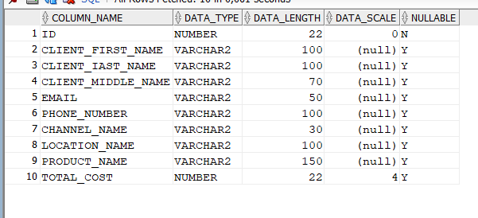
Incorrect metadata in table DM_MAIN_DASHBOARD
Details
Type: | Bug
Resolution: | Unresolved
Component/s: | None
Labels: | None

Test Rail Test Case: | https://dq2022lab.testrail.io/index.php?/cases/view/2411
Priority: | Trivial
Severity: | Critical

Description: | Column LOCATION_SRC_ID must have default values. Incorrect default data
 | STR:
 | 1. Connect to DWH_LAYER user. User should be able to query LND_LAYER user. (DWH_LAYER already have such permissions)
 | 2. Execute following query:
 | SELECT COLUMN_NAME, DATA_TYPE, DATA_LENGTH, NULLABLE FROM USER_TAB_COLUMNS WHERE TABLE_NAME = 'DM_MAIN_DASHBOARD';
 | Expected Result:
 | COLUMN_NAME, DATA_TYPE, DATA_LENGTH, NULLABLE ID, INTEGER, , N CLIENT_FIRST_NAME, VARCHAR, 100, Y CLIENT_LAST_NAME, VARCHAR, 100, Y CLIENT_MIDDLE_NAME, VARCHAR, 70, Y EMAIL, VARCHAR, 50, Y PHONE_NUMBER, VARCHAR, 100, Y CHANNEL_NAME, VARCHAR, 30, Y LOCATION_NAME, VARCHAR, 100, Y PRODUCT_NAME, VARCHAR, 150, Y TOTAL_COST, NUMBER, 18,4, Y
 | Actual Result:
 | COLUMN_NAME, DATA_TYPE, DATA_LENGTH, NULLABLE ID, INTEGER, , N CLIENT_FIRST_NAME, VARCHAR, 100, Y CLIENT_LAST_NAME, VARCHAR, 100, Y CLIENT_MIDDLE_NAME, VARCHAR, 70, Y EMAIL, VARCHAR, 50, Y PHONE_NUMBER, VARCHAR, 100, Y CHANNEL_NAME, VARCHAR, 30, Y LOCATION_NAME, VARCHAR, 100, Y PRODUCT_NAME, VARCHAR, 150, Y TOTAL_COST, NUMBER, 22,4, Y
Attachments
Assignee: | Hanna Yaruk
Reporter: | Hanna Yaruk

Dates
Created:
26/Apr/22 1:30 PM
Updated:
26/Apr/22 1:35 PM
Collaborators
Agile
View on Board

19
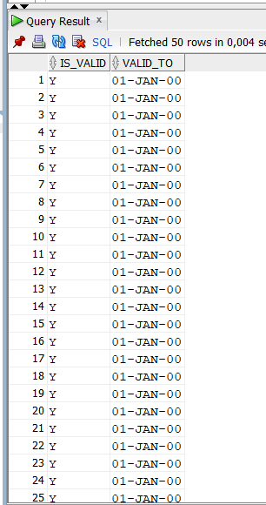
Incorrect values in DWH_CLIENTS table
Details
Type: | Bug
Resolution: | Unresolved
Component/s: | None
Labels: | None

Test Rail Test Case:
Priority: | Major
Severity: | Major

Description: | Column IS_VALID is calculated as: IF VALID_TO > 20.01.2021 THEN Y ELSE N. All the values are Y independently of the date
 | STR:
 | 1. Connect to DWH_LAYER user. User should be able to query LND_LAYER user. (DWH_LAYER already have such permissions)
 | 2. Execute following query:
 | 2.1. SELECT IS_VALID, VALID_TO FROM DWH_CLIENTS WHERE VALID_TO > TO_DATE('20-JAN-21', 'DD-MON-RR') AND IS_VALID = 'Y';
 | 2.2. SELECT IS_VALID, VALID_TO FROM DWH_CLIENTS WHERE VALID_TO > TO_DATE('20-JAN-21', 'DD-MON-RR') AND IS_VALID = 'N';
 | 2.3. SELECT IS_VALID, VALID_TO FROM DWH_CLIENTS WHERE VALID_TO <= TO_DATE('20-JAN-21', 'DD-MON-RR') AND IS_VALID = 'Y';
 | 2.4. SELECT IS_VALID, VALID_TO FROM DWH_CLIENTS WHERE VALID_TO <= TO_DATE('20-JAN-21', 'DD-MON-RR') AND IS_VALID = 'N';
 | Expected Result:
 | 1. List of 'Y' values;
 | 2. Empty result
 | 3. Empty result
 | 4. List of 'N' values
 | Actual Result:
 | 1. List of 'Y' values;
 | 2. Empty result
 | 3. List of 'Y' values;
 | 4. Empty result
Attachments
Assignee: | Hanna Yaruk
Reporter: | Hanna Yaruk

Dates
Created:
26/Apr/22 1:30 PM
Updated:
26/Apr/22 1:35 PM
Collaborators
Agile
View on Board

